About
 | ThereminGoat's Master Measurement Sheet - About Page

- MEASUREMENT PHOTOS -
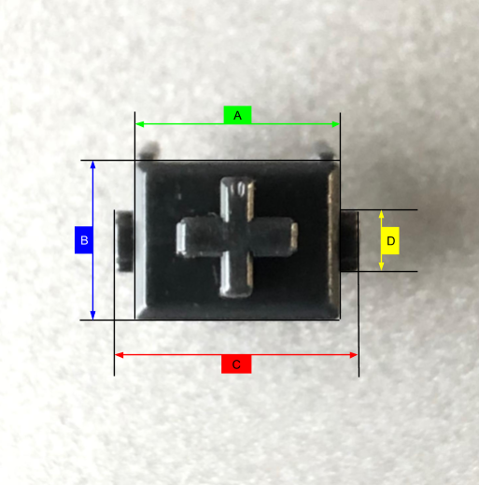
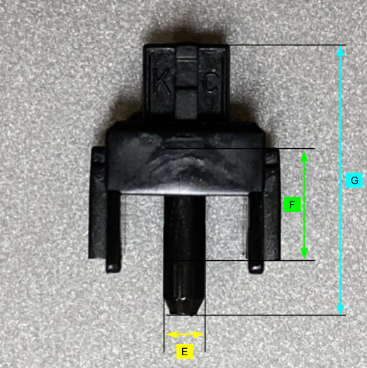
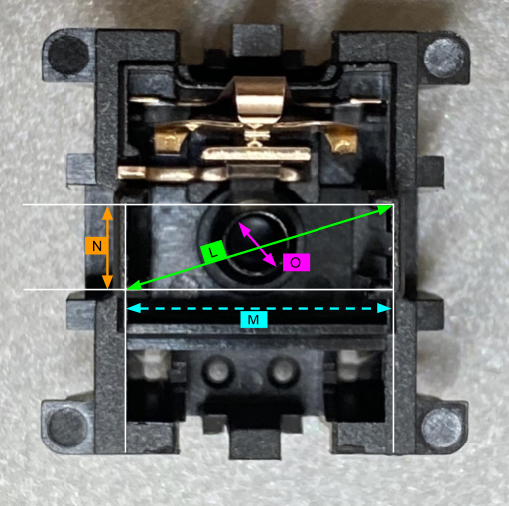
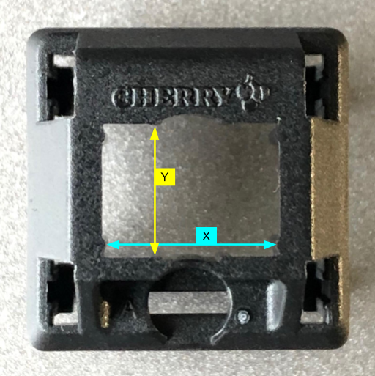

About This All

This method of doing switch measurements was first introduced by a Japanese switch collector that I know as Kisenon, but goes on Twitter by the name Xe_Ry. While this system may seem a bit obtuse and hard to manage, in the future when more measurements are in, we should in theory begin to make a table that will tell you which stems would be able to fit in which housings using the sets of measurements here. In addition to the initial plan proposed by Kisenon, another collector from Vietnam named ShadowProgr also introduced the 'F' and 'G' measurements in the second stem photo. Beyond the ShadowProgr modified Kisenon system, I also have ramped it up one step further by not only averaging together multiple numbers of switches, but also doing replications of each measurement.

